Sheet1
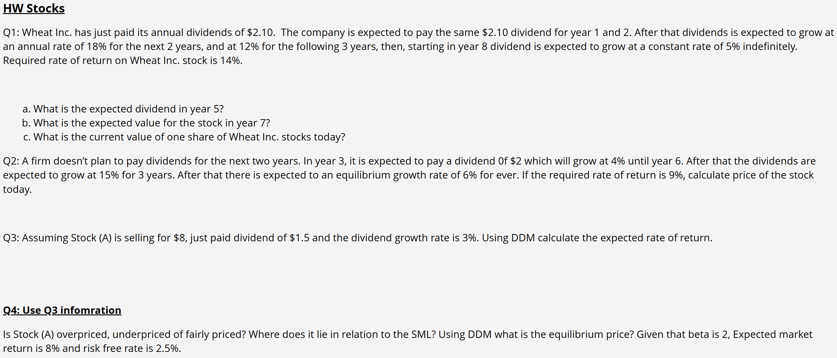

q1 | D0 | 2.1 |  | 1--2 | 0% |  | a) | Year | 0 | 1 | 2 | 3 | 4 | 5 | 6 | 7 | 8
 | k | 14% |  | 3--4 | 18% |  |  | g(t) |  | 0% | 0% | 18% | 18% | 12% | 12% | 12% | 5%
 |  |  |  | 5--7 | 12% |  |  | D(t) | 2.1 | 2.1 | 2.1 | 2.478 | 2.92404 | 3.2749248 | 3.667915776 | 4.1080656691 | 4.3134689526
 |  |  |  | 8+ | 5%
 |  |  |  |  |  |  | b) | p7 | 47.927432806
 |  |  |  |  |  |  |  | pv(p7) | $19.15

 |  |  |  |  |  |  | c) | P0 | $44.12

q2 | Year | 0 | 1 | 2 | 3 | 4 | 5 | 6 | 7 | 8 | 9 | 10
 | g(t) |  |  |  | 0% | 4% | 4% | 4% | 15% | 15% | 15% | 6%
 | D(t) | 0 | 0 | 0 | 2 | 2.08 | 2.1632 | 2.249728 | 2.5871872 | 2.97526528 | 3.421555072 | 3.6268483763
 | PV(k) |  |  |  | 1 | 0.99655882661 | 0.99655882661 | 0.99655882661 | 0.98715653592 | 0.98715653592 | 0.98715653592 | 0.99484268309
 | PV(D(t)) |  |  |  | 2 | 2.0728423593 | 2.1557560537 | 2.2419862959 | 2.5539587541 | 2.9370525672 | 3.3776104523 | 3.6081435698

 | p9 | 120.89494588 |  | p0 | $73.14
 | pv(p9) | $55.66

q3 | p0 | 8 |  | D1 | 1.545
 | d0 | 1.5 |  | r | 22.312500%
 | g | 3%

q4 | r_CAPM | 13.5% |  | p0 | < | p_EP
 | r_DDM | 22.312500% |  | Underprised --> BUY
 | P_EP | 14.714285714

